Data Analysis - Agrokomplex
Data Analysis - Agrokomplex |  |  | Graphical Visualization

8. What would you invest EU funds in? |  |  | 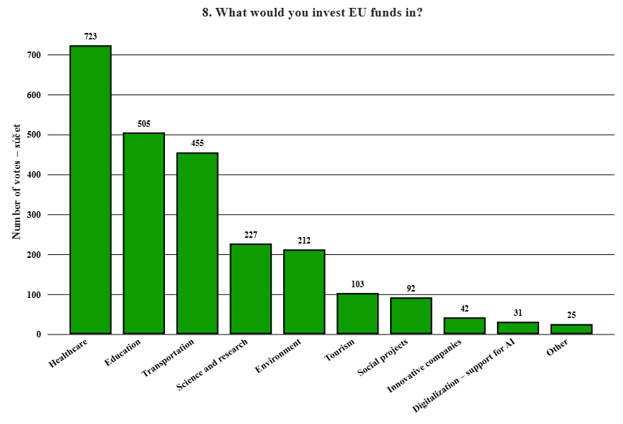
Area | Number of votes | Proportion in %
Transportation | 455 | 18.84 %
Healthcare | 723 | 29.94 %
Education | 505 | 20.91 %
Environment | 212 | 8.78 %
Social projects | 92 | 3.81 %
Tourism | 103 | 4.27 %
Innovative companies | 42 | 1.74 %
Science and research | 227 | 9.40 %
Digitalization – support for AI | 31 | 1.28 %
Other | 25 | 1.04 %

7. In which areas does the EU have the biggest shortcomings or failures? |  |  | 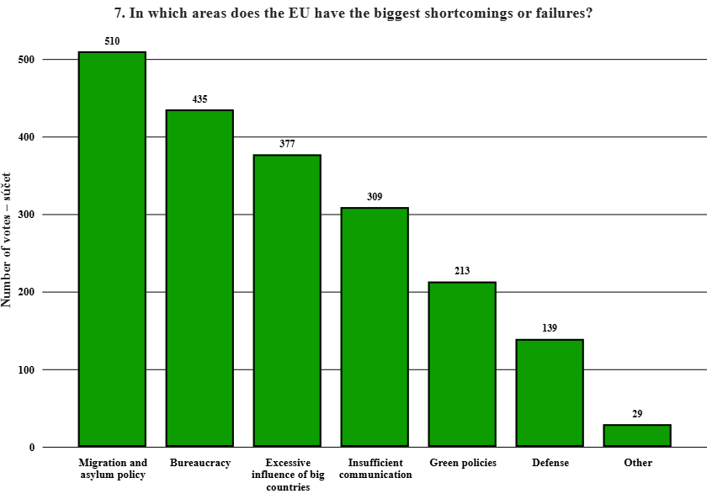
Area | Number of votes | Proportion in %
Bureaucracy | 435 | 21.62 %
Migration and asylum policy | 510 | 25.35 %
Excessive influence of big countries | 377 | 18.74 %
Insufficient communication | 309 | 15.36 %
Defense | 139 | 6.91 %
Green policies | 213 | 10.59 %
Other | 29 | 1.44 %

6. In which areas does the EU have the most positive influence? |  |  | 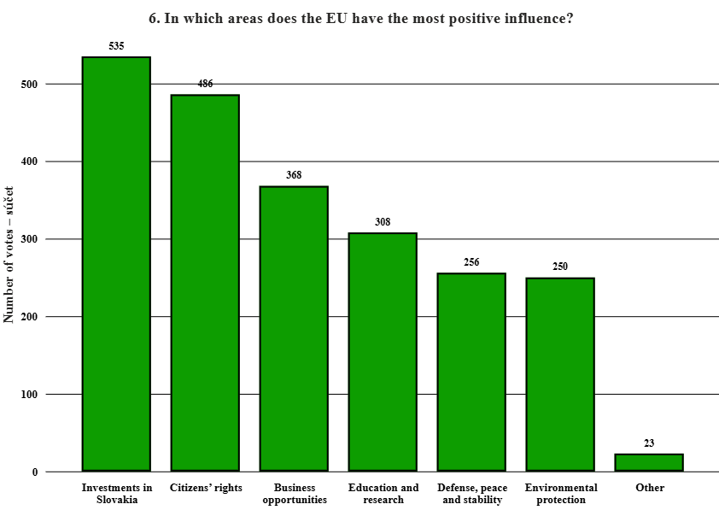
Area | Number of votes | Proportion in %
Business opportunities | 368 | 16.53 %
Investments in Slovakia | 535 | 24.03 %
Citizens’ rights | 486 | 21.83 %
Environmental protection | 250 | 11.23 %
Defense, peace and stability | 256 | 11.50 %
Education and research | 308 | 13.84 %
Other | 23 | 1.03 %

5. Pick the word that is more associated with the EU? |  |  | 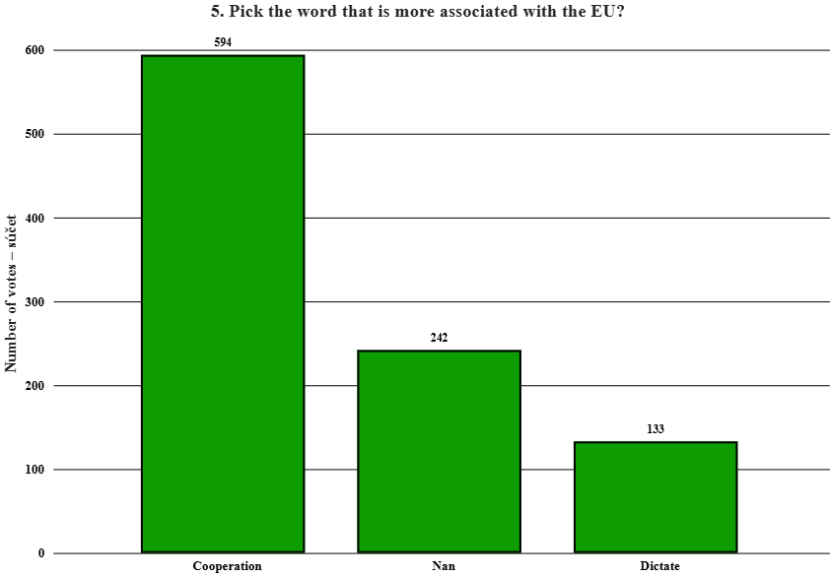 | 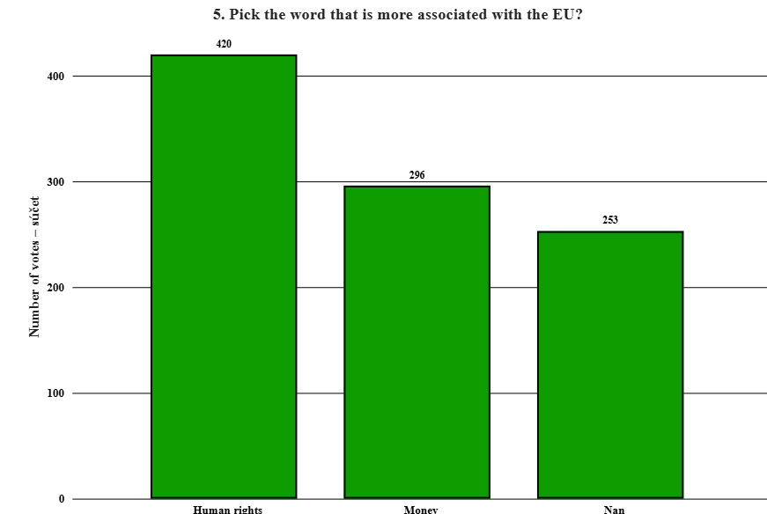
Area | Number of votes | Proportion in %
Cooperation | 594 | 61.30 %
Dictate | 133 | 13.73 %
Nan | 242 | 24.97 %

Area | Number of votes | Proportion in %
Human rights | 420 | 43.34 %
Money | 296 | 30.55 %
Nan | 253 | 26.11 % | 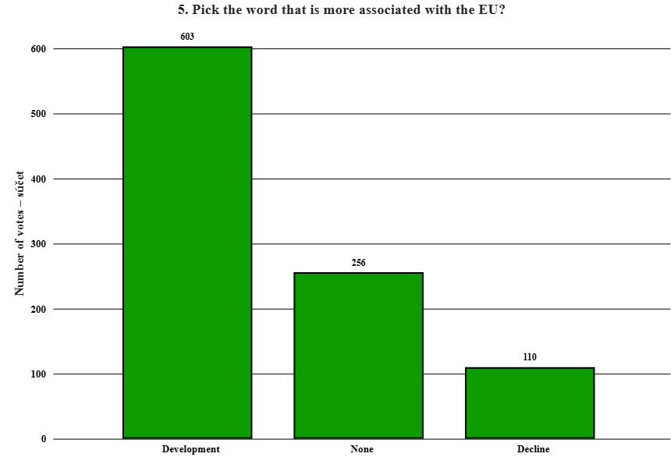 | 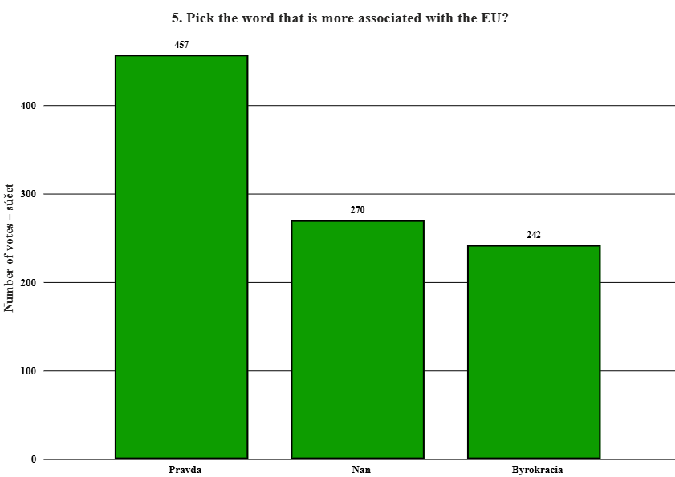

Area | Number of votes | Proportion in %
Development | 603 | 62.23 %
Decline | 110 | 11.35 %
None | 256 | 26.42 %

Area | Number of votes | Proportion in %
Pravda | 457 | 47.16 %
Byrokracia | 242 | 24.97 % | 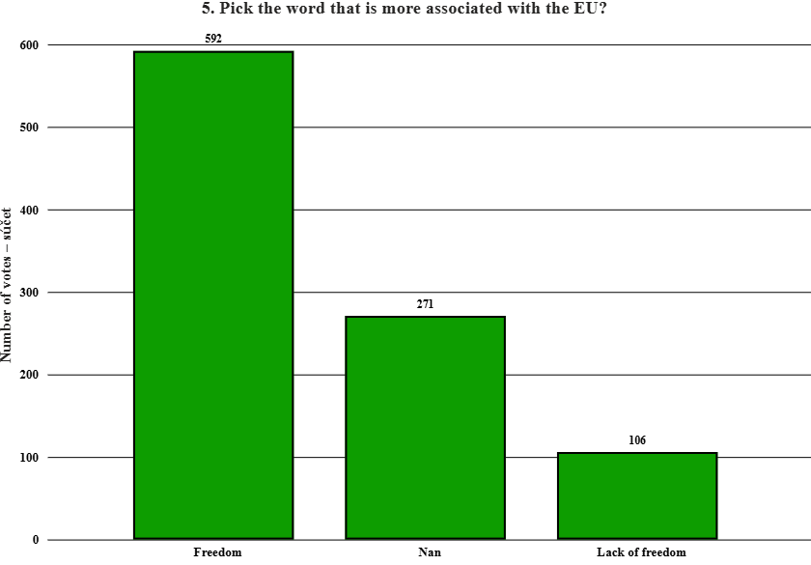 | 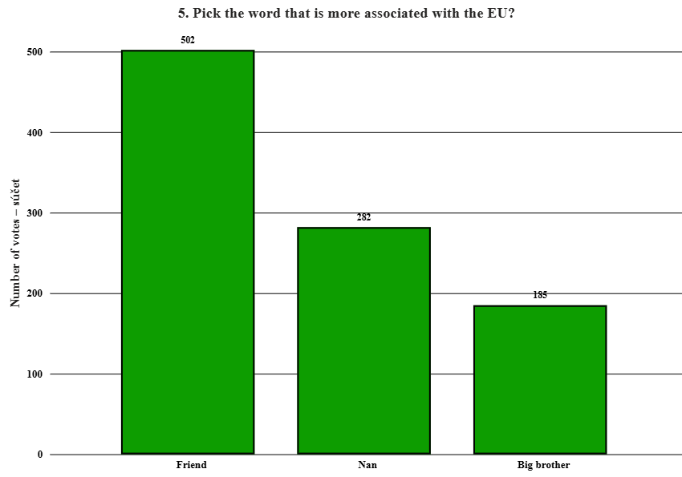
Nan | 270 | 27.86 %

Area | Number of votes | Proportion in %
Freedom | 592 | 61.09 %
Lack of freedom | 106 | 10.94 %
Nan | 271 | 27.97 %

Area | Number of votes | Proportion in %
Friend | 502 | 51.81 % | 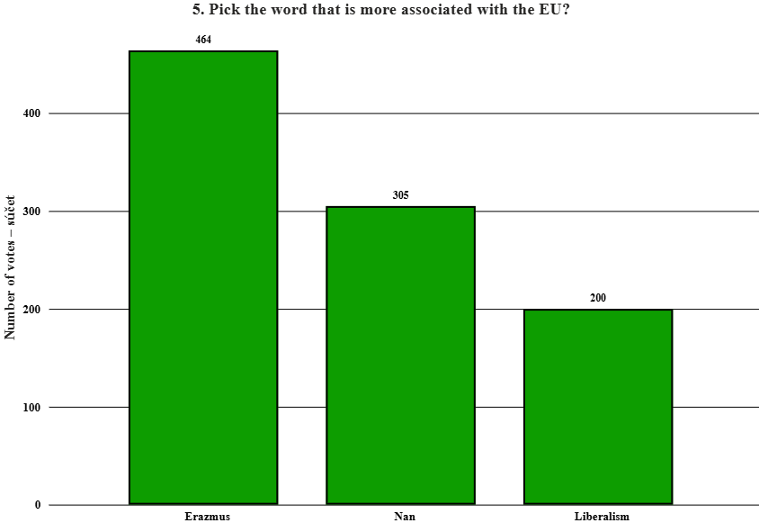 | 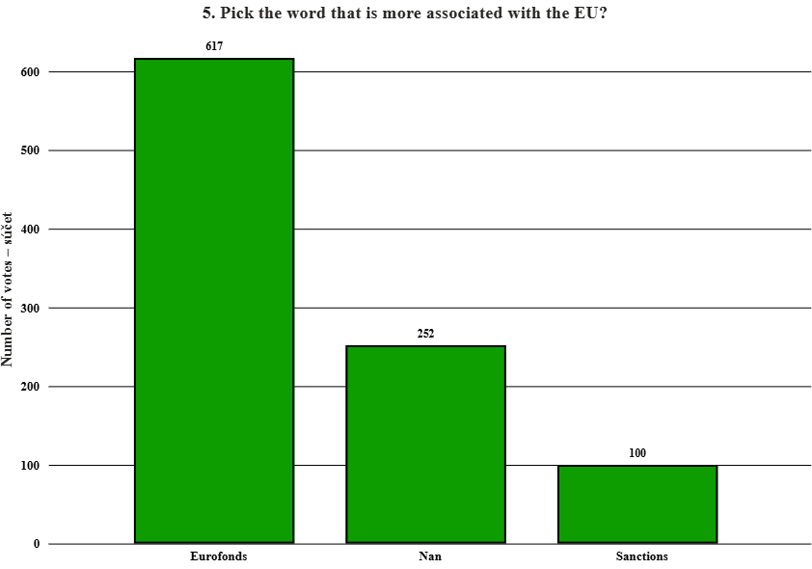
Big brother | 185 | 19.09 %
Nan | 282 | 29.10 %

Area | Number of votes | Proportion in %
Erazmus | 464 | 47.88 %
Liberalism | 200 | 20.64 %
Nan | 305 | 31.48 %
Nan (value) - illustrates unanswered questions by respondents, or vague/unfulfilled data in the dataset.
Area | Number of votes | Proportion in % | 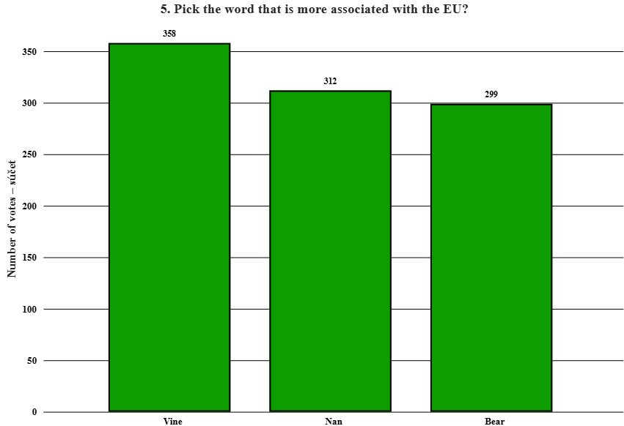
Eurofonds | 617 | 63.67 %
Sanctions | 100 | 10.32 %
Nan | 252 | 26.01 %

Area | Number of votes | Proportion in %
Vine | 358 | 36.95 %
Beer | 299 | 30.86 %
Nan | 312 | 32.20 %

4. Explain how well do you know EU? |  |  | 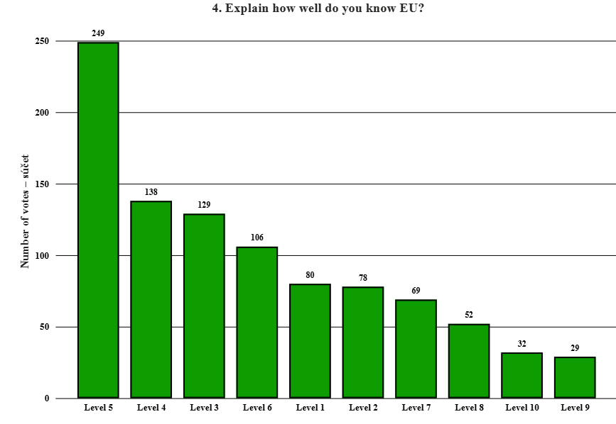
Between (1-10) | Number of votes | Proportion in %
Level 1 | 80 | 8.32 %
Level 2 | 78 | 8.11 %
Level 3 | 129 | 13.41 %
Level 4 | 138 | 14.35 %
Level 5 | 249 | 25.88 %
Level 6 | 106 | 11.02 %
Level 7 | 69 | 7.17 %
Level 8 | 52 | 5.41 %
Level 9 | 29 | 3.01 %
Level 10 | 32 | 3.33 %

4. Explain how much do you trust the EU? |  |  | 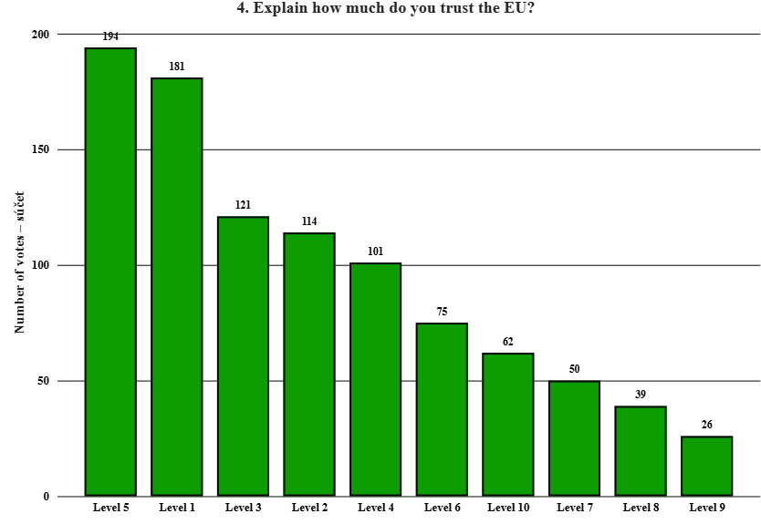
Between (1-10) | Number of votes | Proportion in %
Level 1 | 181 | 18.80 %
Level 2 | 114 | 11.84 %
Level 3 | 121 | 12.56 %
Level 4 | 101 | 10.49 %
Level 5 | 194 | 20.15 %
Level 6 | 75 | 7.79 %
Level 7 | 50 | 5.19 %
Level 8 | 39 | 4.05 %
Level 9 | 26 | 2.70 %
Level 10 | 62 | 6.44 %

4. Explain where you get your information (TV, the Internet, Radio). |  |  | 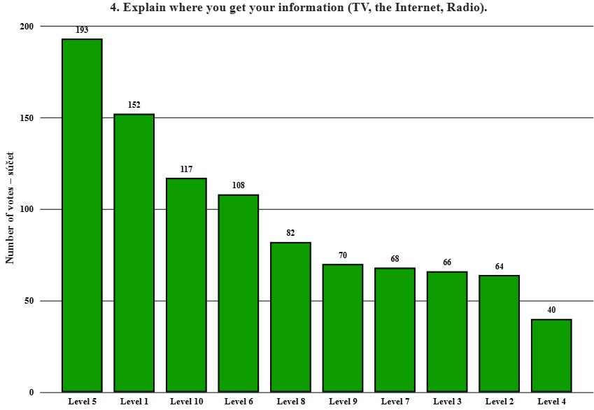
Between (1-10) | Number of votes | Proportion in %
Level 1 | 152 | 15.83 %
Level 2 | 64 | 6.67 %
Level 3 | 66 | 6.88 %
Level 4 | 40 | 4.17 %
Level 5 | 193 | 20.10 %
Level 6 | 108 | 11.25 %
Level 7 | 68 | 7.08 %
Level 8 | 82 | 8.54 %
Level 9 | 70 | 7.29 %
Level 10 | 117 | 12.19 %

3. What is your physical age? |  |  | 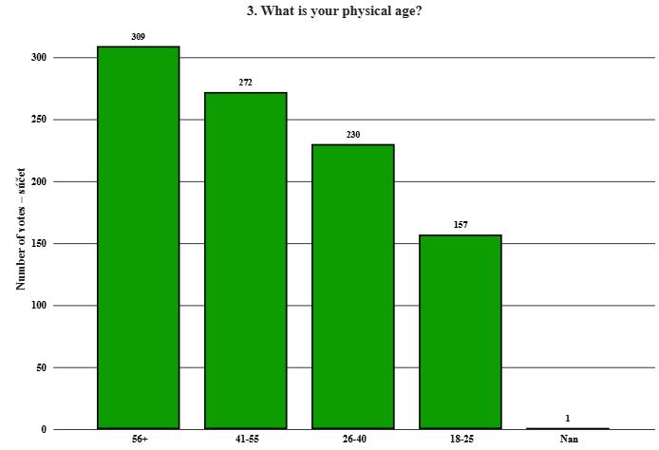
Age | Number of votes | Proportion in %
Nan | 1 | 0.10 %
18-25 | 157 | 16.20 %
26-40 | 230 | 23.74 %
41-55 | 272 | 28.07 %
56+ | 309 | 31.89 %

2.Where do you live? |  |  | 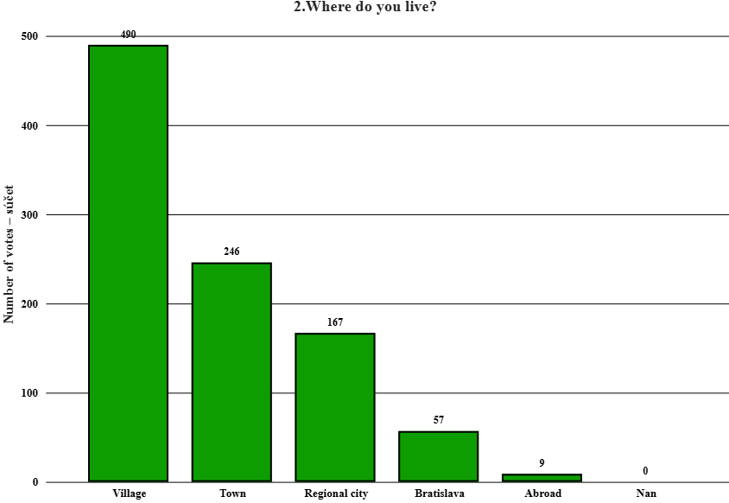
Place | Number of votes | Proportion in %
Nan | 0 | 0.00 %
Village | 490 | 50.57 %
Town | 246 | 25.39 %
Regional city | 167 | 17.23 %
Bratislava | 57 | 5.88 %
Abroad | 9 | 0.93 %

1. How often do you visit fest?
Value | Number of votes | Proportion in %
Nan | 0 | 0.00 %
Very often | 542 | 55.93 %
Sometimes | 302 | 31.17 %
First time | 125 | 12.90 %

Deep Analysis
Deep Analysis - Agrokomplex |  |  | Graphical visualization

8. What would you invest the EU funds in? |  |  | 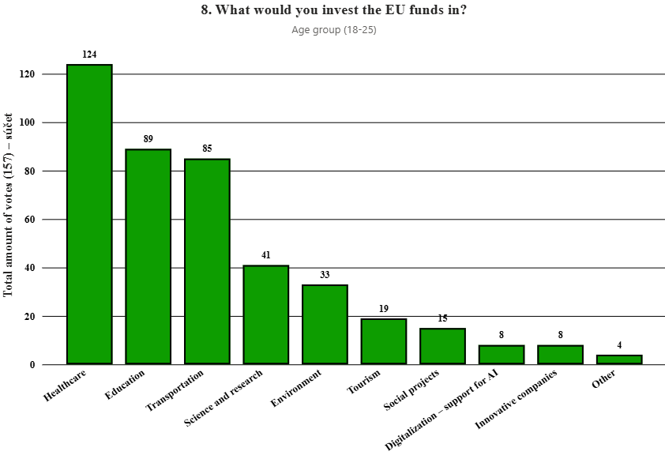
Age group (18-25) | Total amount of votes (157) | Proportion in %
Transportation | 85 | 19.95 %
Healthcare | 124 | 29.11 %
Education | 89 | 20.89 %
Environment | 33 | 7.75 %
Social projects | 15 | 3.52 %
Tourism | 19 | 4.46 %
Innovative companies | 8 | 1.88 %
Science and research | 41 | 9.62 %
Digitalization – support for AI | 8 | 1.88 %
Other | 4 | 0.94 %

Age group(26-40) | Total amount of votes (230) | Proportion in % | 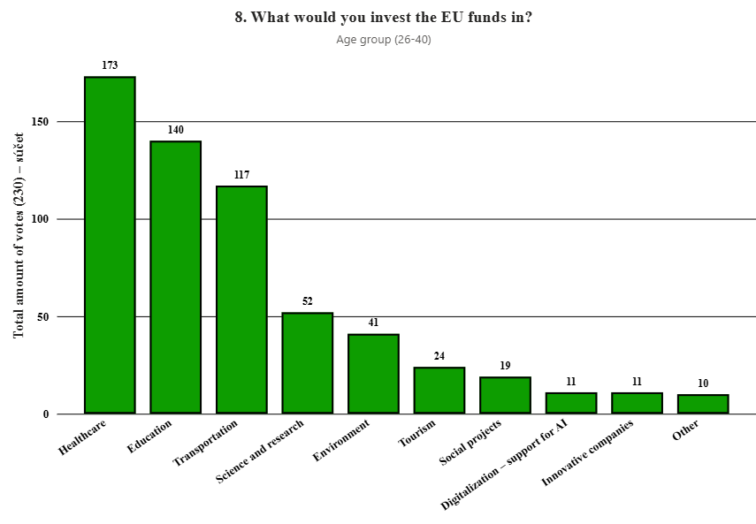
Transportation | 117 | 19.57 %
Healthcare | 173 | 28.93 %
Education | 140 | 23.41 %
Environment | 41 | 6.86 %
Social projects | 19 | 3.18 %
Tourism | 24 | 4.01 %
Innovative companies | 11 | 1.84 %
Science and research | 52 | 8.70 %
Digitalization – support for AI | 11 | 1.84 %
Other | 10 | 1.67 %

Age group (41-55) | Total amount of votes (272) | Proportion in % | 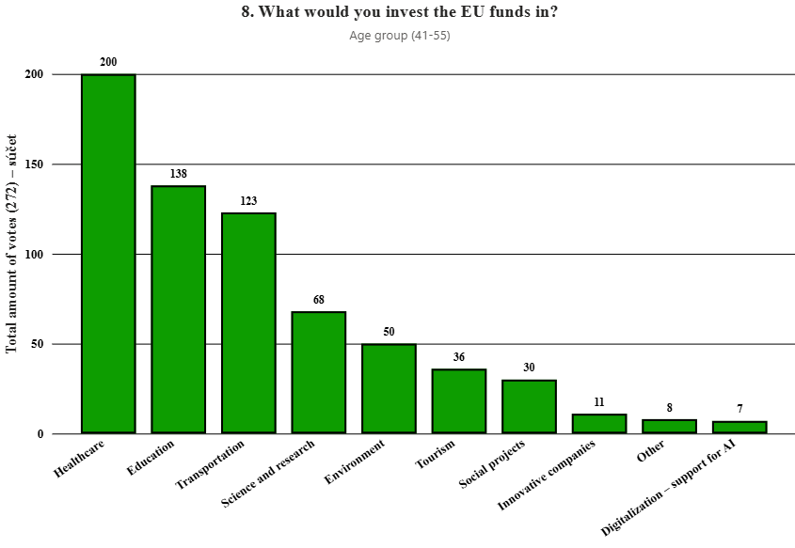
Transportation | 123 | 18.33 %
Healthcare | 200 | 29.81 %
Education | 138 | 20.57 %
Environment | 50 | 7.45 %
Social projects | 30 | 4.47 %
Tourism | 36 | 5.37 %
Innovative companies | 11 | 1.64 %
Science and research | 68 | 10.13 %
Digitalization – support for AI | 7 | 1.04 %
Other | 8 | 1.19 %

Age group (56+) | Total amount of votes (309) | Proportion in % | 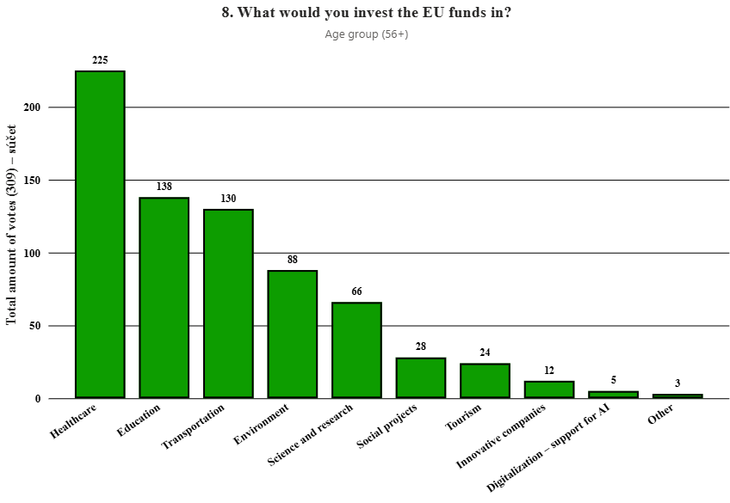
Transportation | 130 | 18.08 %
Healthcare | 225 | 31.29 %
Education | 138 | 19.19 %
Environment | 88 | 12.24 %
Social projects | 28 | 3.89 %
Tourism | 24 | 3.34 %
Innovative companies | 12 | 1.67 %
Science and research | 66 | 9.18 %
Digitalization – support for AI | 5 | 0.70 %
Other | 3 | 0.42 %

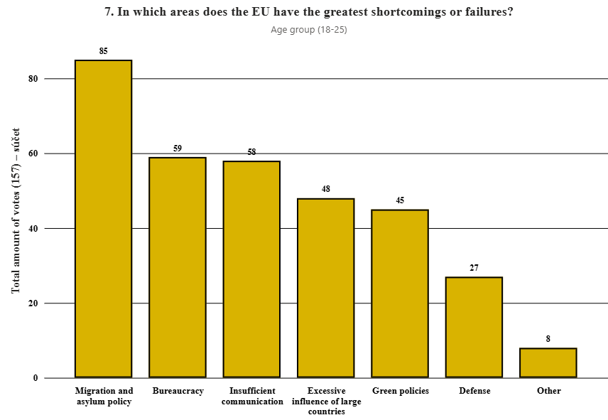
7. In which areas does the EU have the greatest shortcomings or failures?
Age group (18-25) | Total amount of votes (157) | Pomer v %
Bureaucracy | 59 | 17.88 %
Migration and asylum policy | 85 | 25.76 %
Excessive influence of large countries | 48 | 14.55 %
Insufficient communication | 58 | 17.58 %
Defense | 27 | 8.18 %
Green policies | 45 | 13.64 %
Other | 8 | 2.42 %

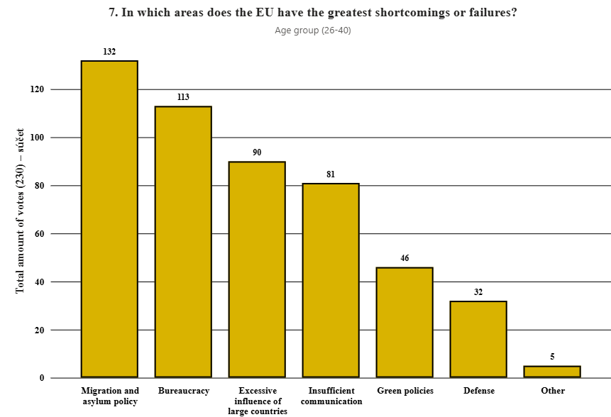
Age group (26-40) | Total amount of votes (230) | Pomer v %
Bureaucracy | 113 | 22.65 %
Migration and asylum policy | 132 | 26.45 %
Excessive influence of large countries | 90 | 18.04 %
Insufficient communication | 81 | 16.23 %
Defense | 32 | 6.41 %
Green policies | 46 | 9.22 %
Other | 5 | 1.00 %

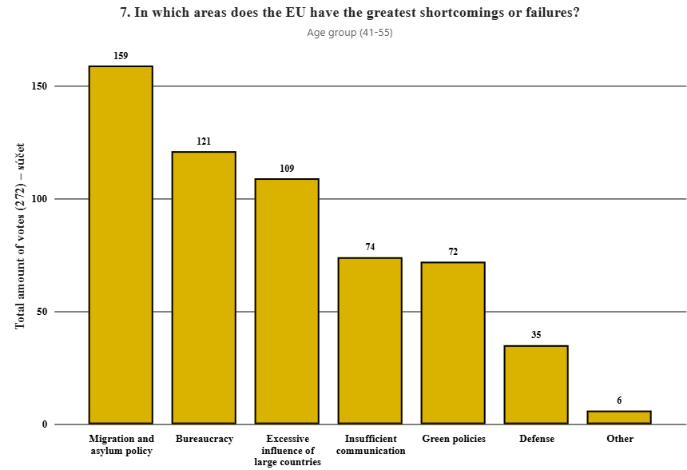
Age group (41-55) | Total amount of votes (272) | Pomer v %
Bureaucracy | 121 | 21.01 %
Migration and asylum policy | 159 | 27.60 %
Excessive influence of large countries | 109 | 18.92 %
Insufficient communication | 74 | 12.85 %
Defense | 35 | 6.08 %
Green policies | 72 | 12.50 %
Other | 6 | 1.04 %

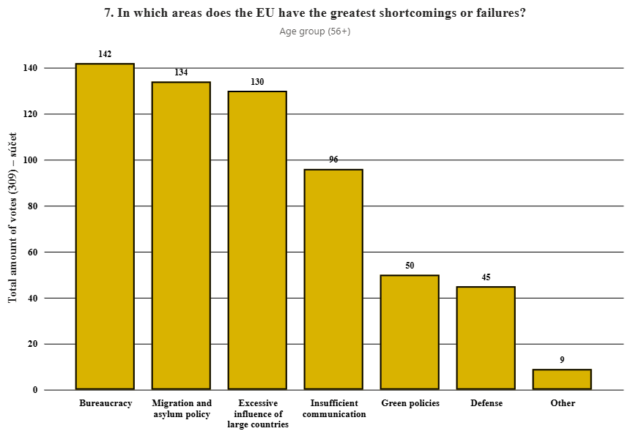
Age group (56+) | Total amount of votes (309) | Pomer v %
Bureaucracy | 142 | 23.43 %
Migration and asylum policy | 134 | 22.11 %
Excessive influence of large countries | 130 | 21.45 %
Insufficient communication | 96 | 15.84 %
Defense | 45 | 7.43 %
Green policies | 50 | 8.25 %
Other | 9 | 1.49 %

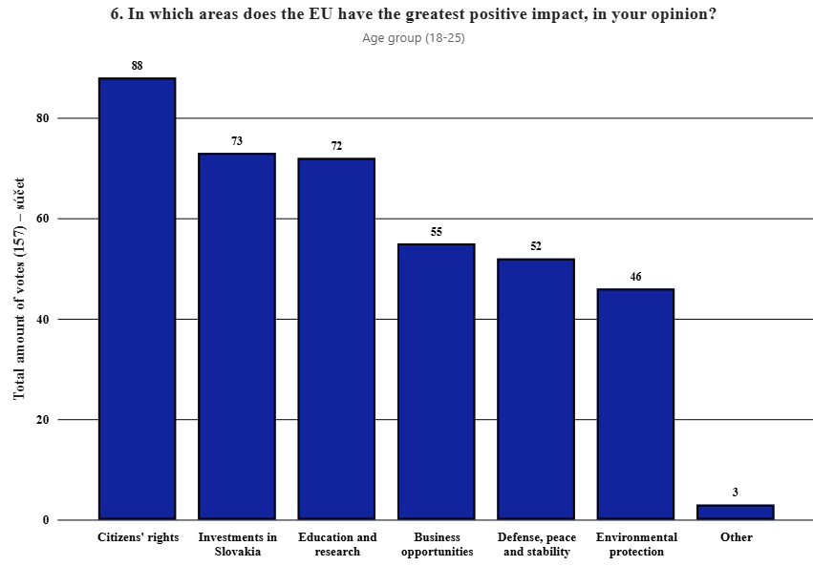
6. In which areas does the EU have the greatest positive impact, in your opinion?
Age group (18-25) | Total amount of votes (157) | Proportion in %
Business opportunities | 55 | 14.14 %
Investments in Slovakia | 73 | 18.77 %
Citizens' rights | 88 | 22.62 %
Environmental protection | 46 | 11.83 %
Defense, peace and stability | 52 | 13.37 %
Education and research | 72 | 18.51 %
Other | 3 | 0.77 %

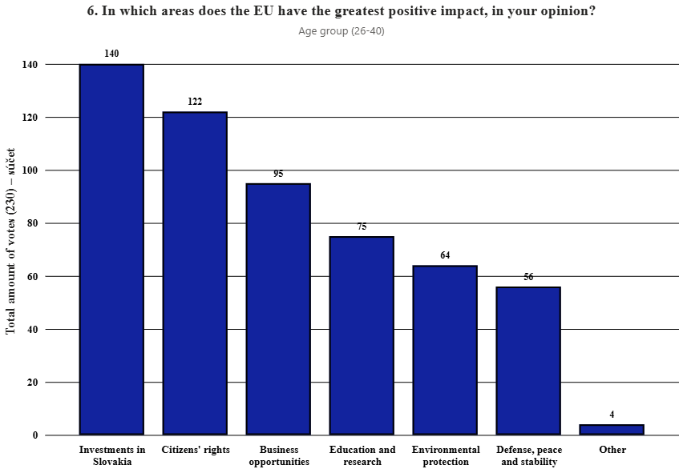
Age group (26-40) | Total amount of votes (230) | Proportion in %
Business opportunities | 95 | 17.09 %
Investments in Slovakia | 140 | 25.18 %
Citizens' rights | 122 | 21.94 %
Environmental protection | 64 | 11.51 %
Defense, peace and stability | 56 | 10.07 %
Education and research | 75 | 13.49 %
Other | 4 | 0.72 %

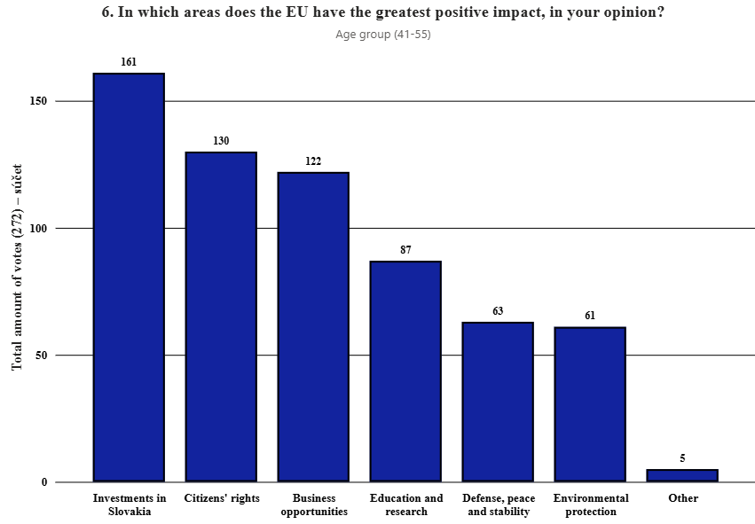
Age group (41-55) | Total amount of votes (272) | Proportion in %
Business opportunities | 122 | 19.40 %
Investments in Slovakia | 161 | 25.60 %
Citizens' rights | 130 | 20.67 %
Environmental protection | 61 | 9.70 %
Defense, peace and stability | 63 | 10.02 %
Education and research | 87 | 13.83 %
Other | 5 | 0.79 %

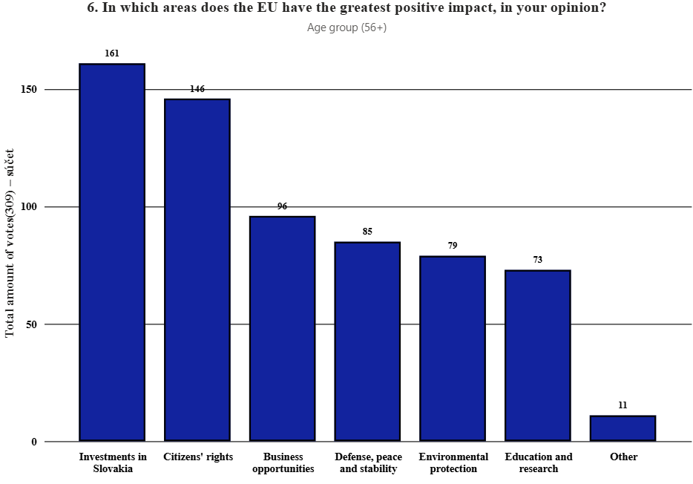
Age group (56+) | Total amount of votes(309) | Proportion in %
Business opportunities | 96 | 14.75 %
Investments in Slovakia | 161 | 24.73 %
Citizens' rights | 146 | 22.43 %
Environmental protection | 79 | 12.14 %
Defense, peace and stability | 85 | 13.06 %
Education and research | 73 | 11.21 %
Other | 11 | 1.69 %

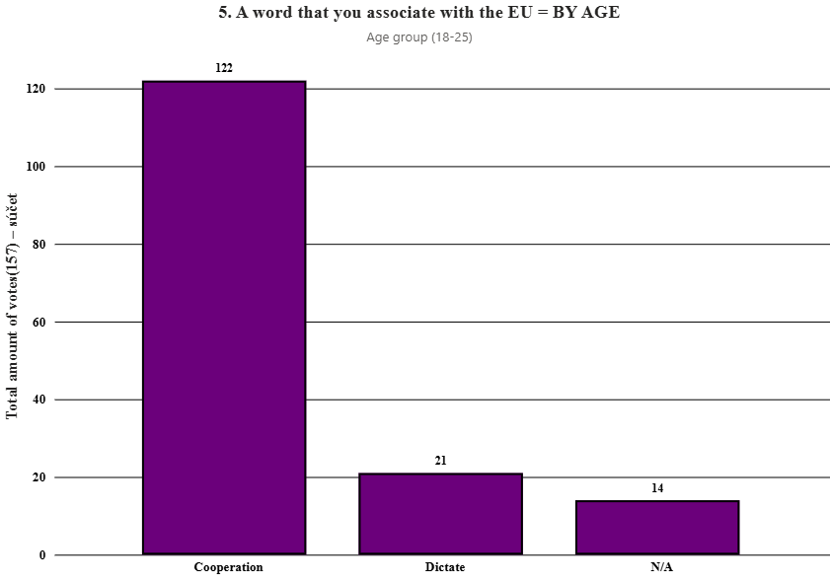
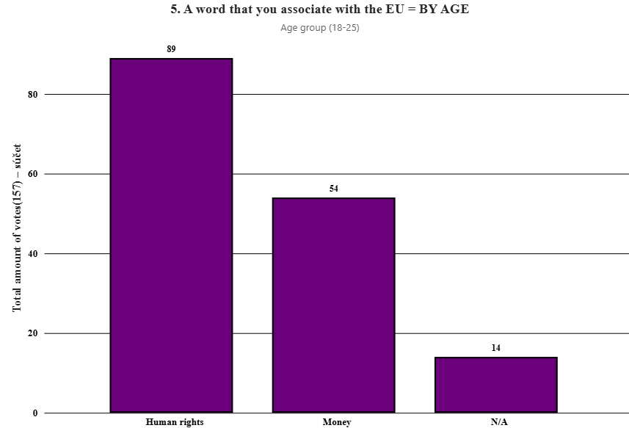
5. A word that you associate with the EU = BY AGE
Age group (18-25) | Total amount of votes(157) | Proportion in %
Cooperation | 122 | 77.71 %
Dictate | 21 | 13.38 %
N/A | 14 | 8.92 %

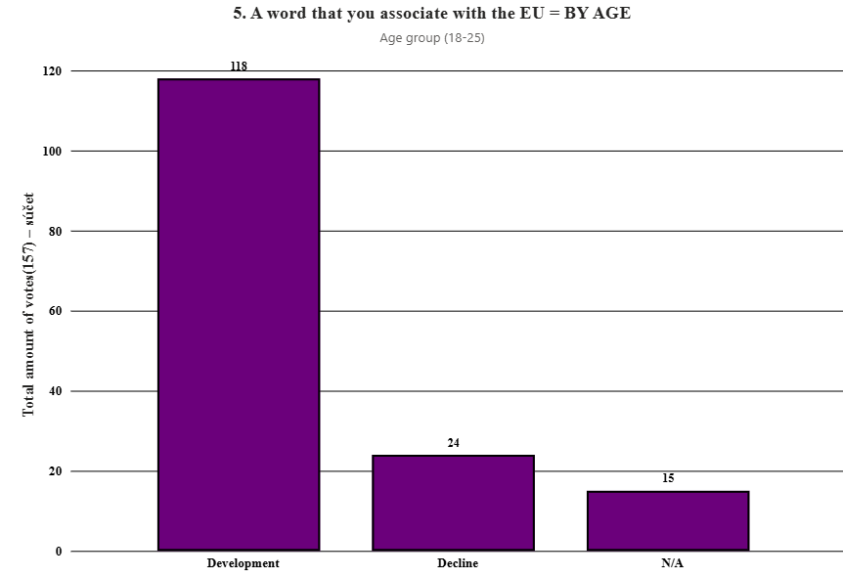
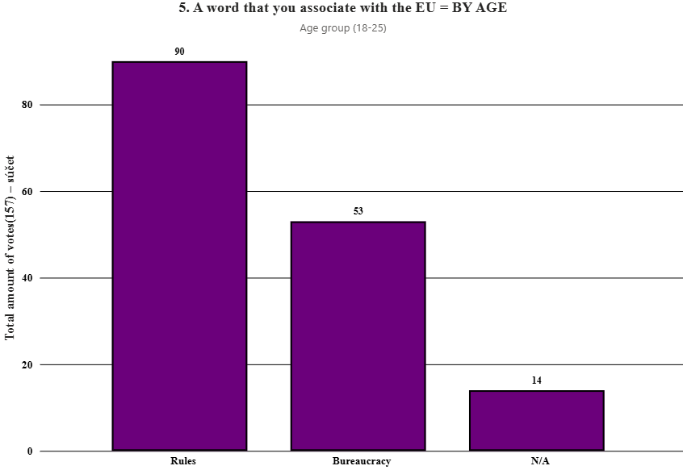
Human rights | 89 | 56.69 %
Money | 54 | 34.39 %
N/A | 14 | 8.92 %

Development | 118 | 75.16 %
Decline | 24 | 15.29 %
N/A | 15 | 9.55 %

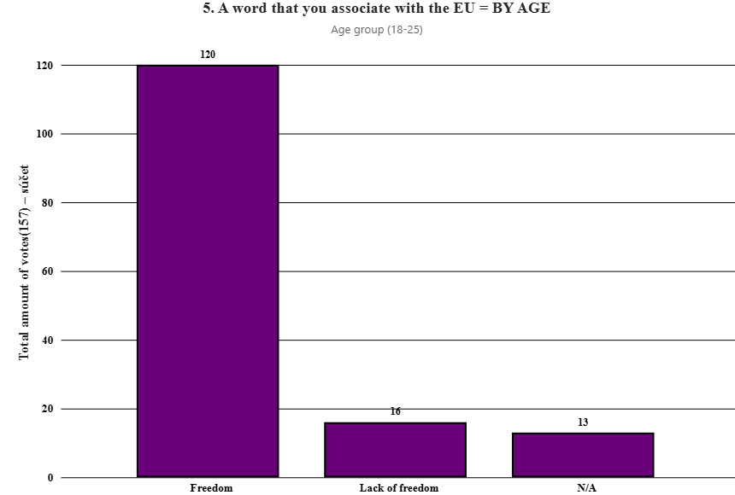
Rules | 90 | 57.32 % |  | 
Bureaucracy | 53 | 33.76 %
N/A | 14 | 8.92 %

Freedom | 120 | 80.54 %
Lack of freedom | 16 | 10.74 %
N/A | 13 | 8.72 %

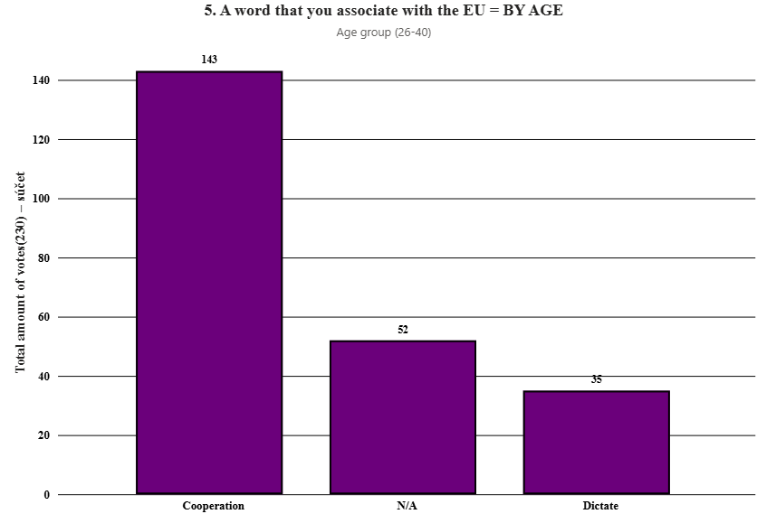
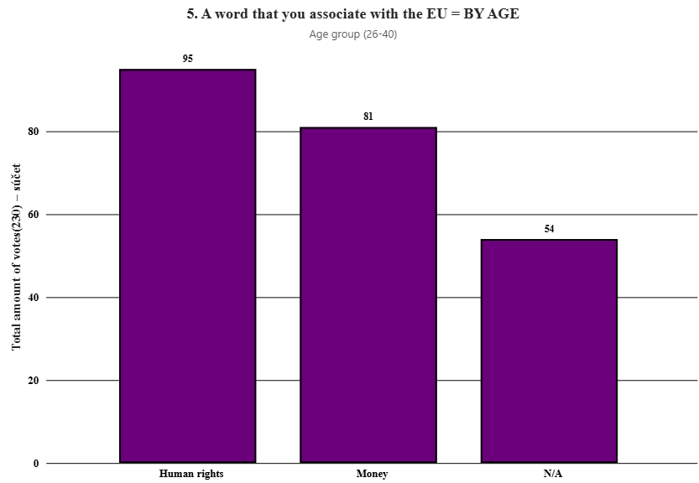
Age group(26-40) | Total amount of votes(230) | Proportion in %
Cooperation | 143 | 62.17 %
Dictate | 35 | 15.22 %
N/A | 52 | 22.61 %

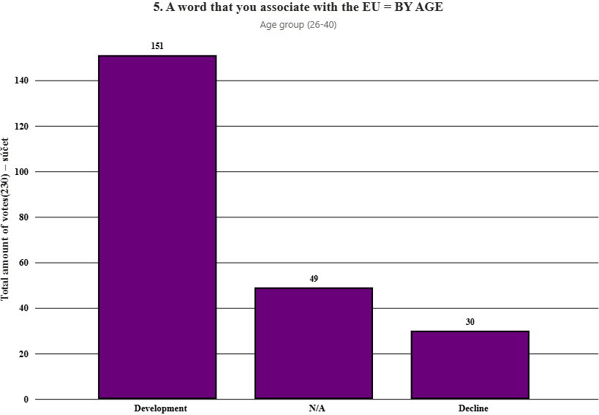
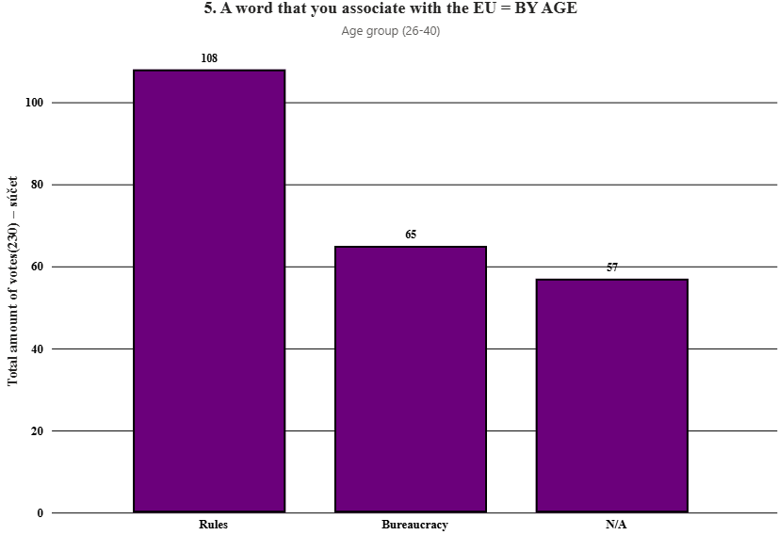
Human rights | 95 | 41.30 %
Money | 81 | 35.22 %
N/A | 54 | 23.48 %

Development | 151 | 65.65 %
Decline | 30 | 13.04 %
N/A | 49 | 21.30 %

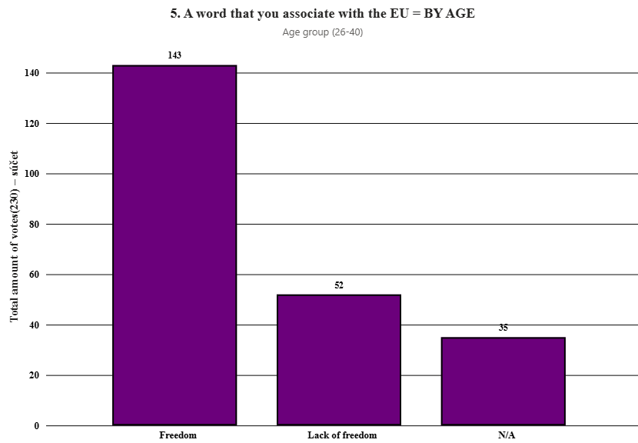
Rules | 108 | 46.96 %
Bureaucracy | 65 | 28.26 %
N/A | 57 | 24.78 %

Freedom | 143 | 62.17 %
Lack of freedom | 52 | 22.61 %
N/A | 35 | 15.22 %

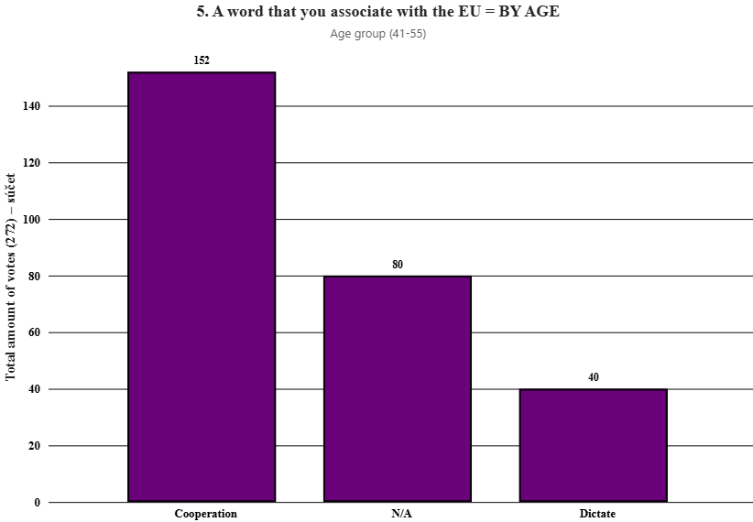
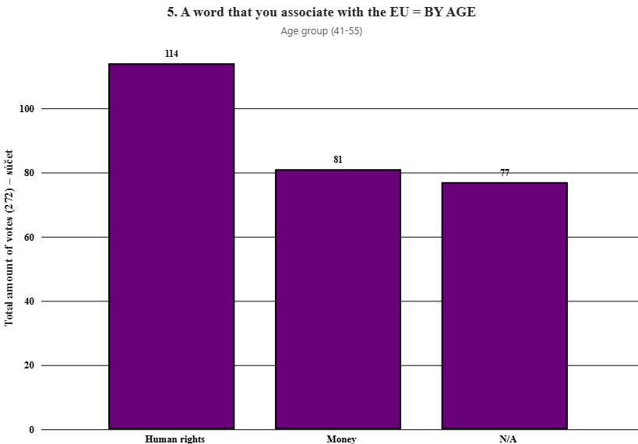
Age group (41-55) | Total amount of votes (272) | Proportion in %
Cooperation | 152 | 55.88 %
Dictate | 40 | 14.71 %
N/A | 80 | 29.41 %

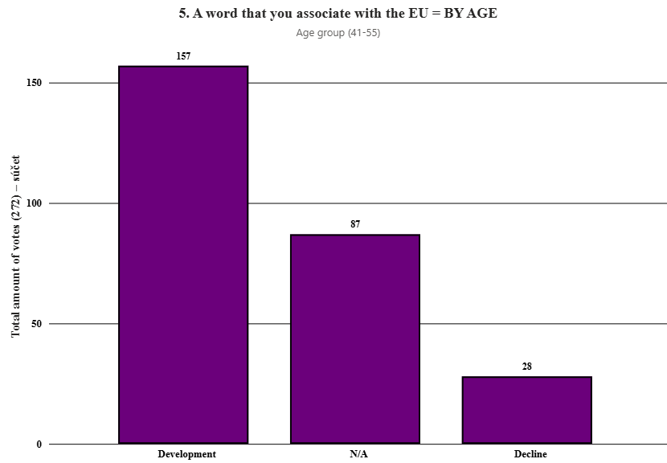
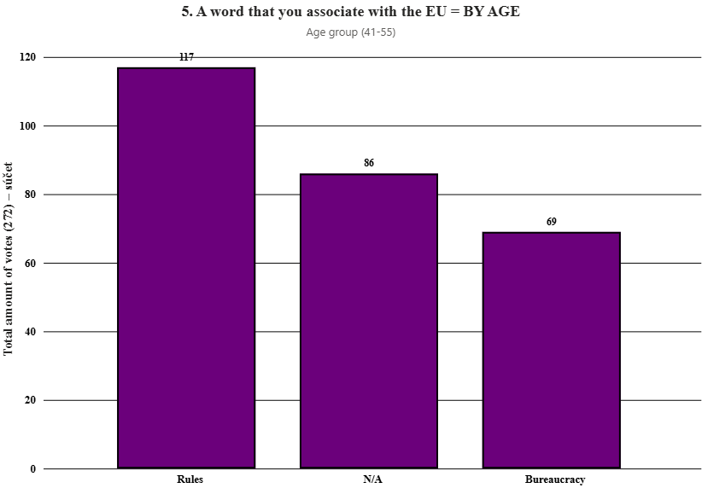
Human rights | 114 | 41.91 %
Money | 81 | 29.78 %
N/A | 77 | 28.31 %

Development | 157 | 57.72 %
Decline | 28 | 10.29 %
N/A | 87 | 31.99 %

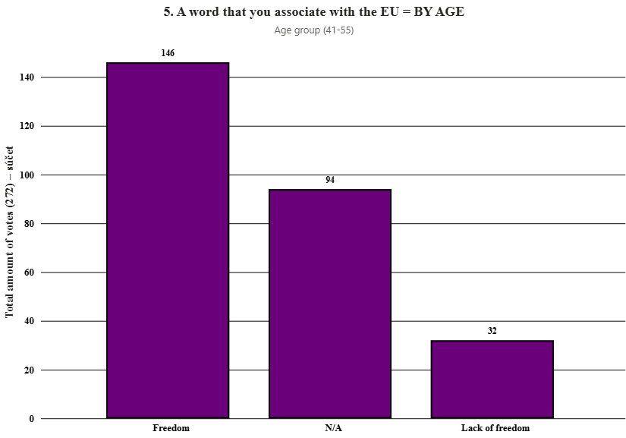
Rules | 117 | 43.01 %
Bureaucracy | 69 | 25.37 %
N/A | 86 | 31.62 %

Freedom | 146 | 53.68 %
Lack of freedom | 32 | 11.76 %
N/A | 94 | 34.56 %

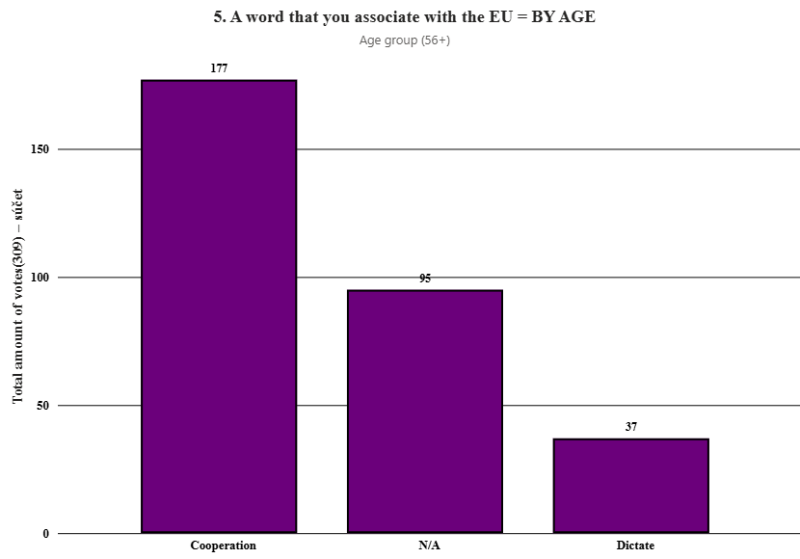
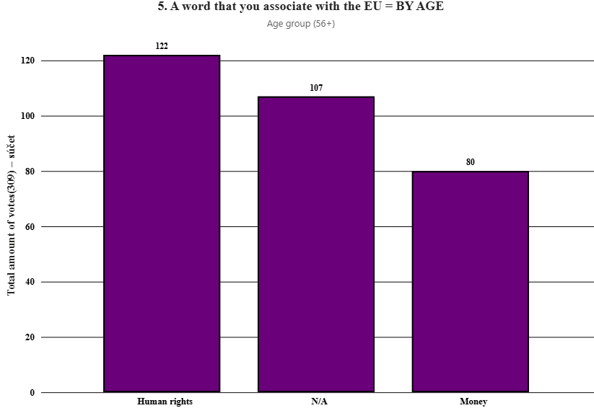
Age group (56+) | Total amount of votes(309) | Proportion in %
Cooperation | 177 | 57.28 %
Dictate | 37 | 11.97 %
N/A | 95 | 30.74 %

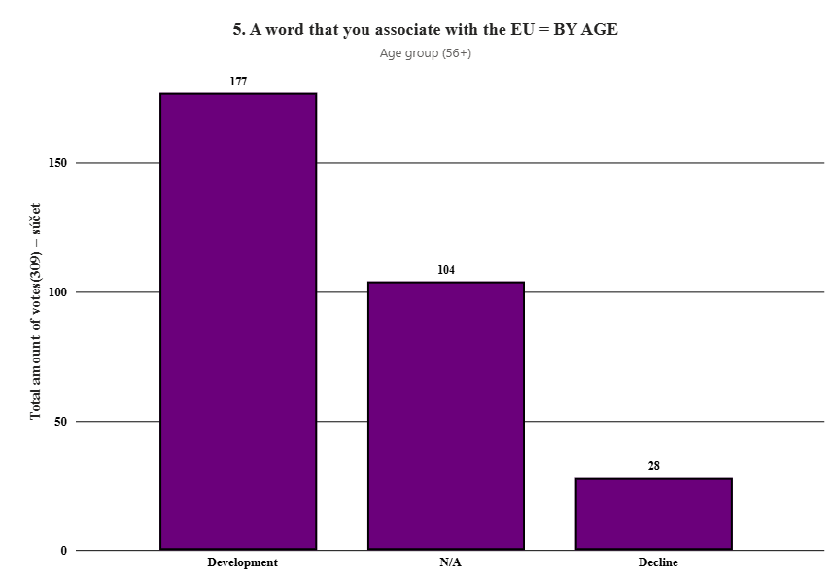
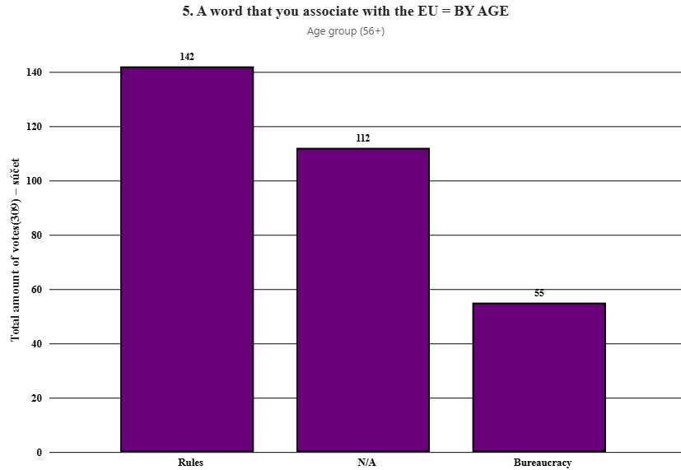
Human rights | 122 | 39.48 %
Money | 80 | 25.89 %
N/A | 107 | 34.63 %

Development | 177 | 57.28 %
Decline | 28 | 9.06 %
N/A | 104 | 33.66 %

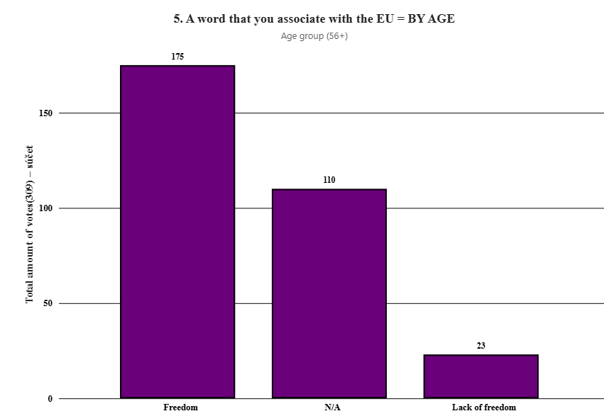
Rules | 142 | 45.95 %
Bureaucracy | 55 | 17.80 %
N/A | 112 | 36.25 %

Freedom | 175 | 56.82 %
Lack of freedom | 23 | 7.47 %
N/A | 110 | 35.71 %

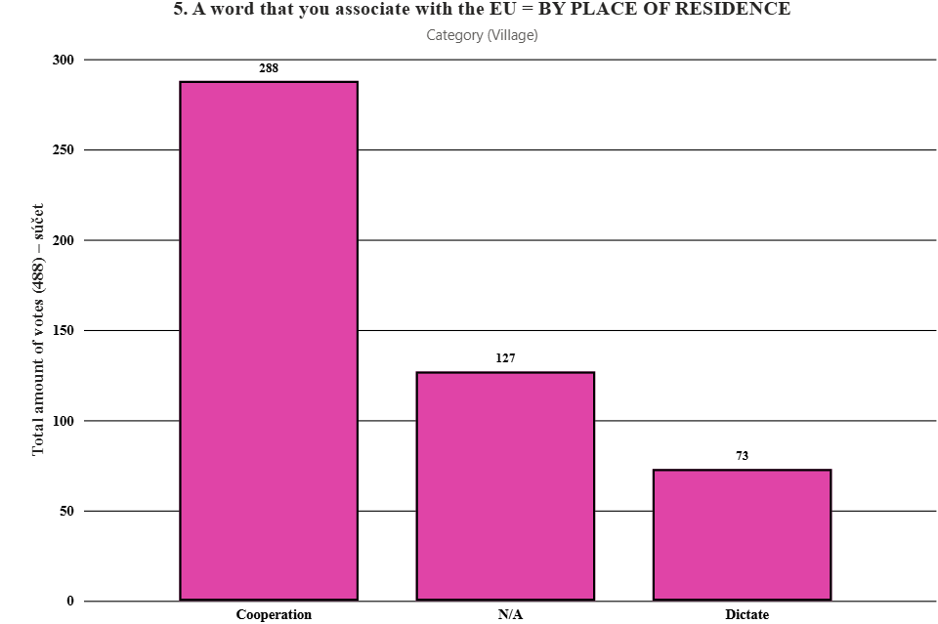

5. A word that you associate with the EU = BY PLACE OF RESIDENCE
Village | Total amount of votes (488) | Proportion in %
Cooperation | 288 | 59.02 %
Dictate | 73 | 14.96 %
N/A | 127 | 26.02 %



Human rights | 189 | 38.73 %
Money | 157 | 32.17 %
N/A | 142 | 29.10 %

Development | 295 | 60.45 %
Decline | 54 | 11.07 %
N/A | 139 | 28.48 %


Rules | 220 | 45.08 %
Bureaucracy | 125 | 25.61 %
N/A | 143 | 29.30 %

Freedom | 285 | 58.40 %
Lack of freedom | 145 | 29.71 %
N/A | 58 | 11.89 %



Small town | Total amount of votes (244) | Proportion in %
Cooperation | 155 | 63.52 %
Dictate | 33 | 13.52 %
N/A | 56 | 22.95 %



Human rights | 125 | 51.23 %
Money | 52 | 21.31 %
N/A | 67 | 27.46 %

Development | 157 | 64.34 %
Decline | 30 | 12.30 %
N/A | 57 | 23.36 %


Rules | 113 | 46.31 %
Bureaucracy | 67 | 27.46 %
N/A | 64 | 26.23 %

Freedom | 160 | 65.57 %
Lack of freedom | 21 | 8.61 %
N/A | 63 | 25.82 %



Regional city | Total amount of votes(167) | Proportion in %
Cooperation | 102 | 61.08 %
Dictate | 19 | 11.38 %
N/A | 46 | 27.54 %



Human rights | 75 | 44.91 %
Money | 47 | 28.14 %
N/A | 45 | 26.95 %

Development | 104 | 62.28 %
Decline | 19 | 11.38 %
N/A | 44 | 26.35 %


Rules | 89 | 53.29 %
Bureaucracy | 30 | 17.96 %
N/A | 48 | 28.74 %

Freedom | 100 | 59.88 %
Lack of freedom | 18 | 10.78 %
N/A | 49 | 29.34 %



BRATISLAVA | Total amount of votes (57) | Proportion in %
Cooperation | 41 | 71.93 %
Dictate | 5 | 8.77 %
N/A | 11 | 19.30 %



Human rights | 25 | 43.86 %
Money | 21 | 36.84 %
N/A | 11 | 19.30 %

Development | 40 | 70.18 %
Decline | 4 | 7.02 %
N/A | 13 | 22.81 %


Rules | 29 | 50.88 %
Bureaucracy | 17 | 29.82 %
N/A | 11 | 19.30 %

Freedom | 41 | 71.93 %
Lack of freedom | 5 | 8.77 %
N/A | 11 | 19.30 %



5. A word that you associate with the EU = BY LEVEL OF KNOWLEDGE ABOUT THE EU
Between (1-4) | Total amount of votes(425) | Proportion in %
Cooperation | 281 | 66.12 %
Dictate | 96 | 22.59 %
N/A | 48 | 11.29 %



Human rights | 203 | 47.76 %
Money | 124 | 29.18 %
N/A | 98 | 23.06 %

Development | 282 | 66.35 %
Decline | 46 | 10.82 %
N/A | 97 | 22.82 %


Rules | 204 | 48.00 %
Bureaucracy | 113 | 26.59 %
N/A | 108 | 25.41 %

Freedom | 274 | 64.47 %
Lack of freedom | 46 | 10.82 %
N/A | 105 | 24.71 %



Between (5) | Total amount of votes (249) | Proportion in %
Cooperation | 144 | 57.83 %
Dictate | 37 | 14.86 %
N/A | 68 | 27.31 %



Human rights | 101 | 40.56 %
Money | 74 | 29.72 %
N/A | 74 | 29.72 %

Development | 148 | 59.44 %
Decline | 26 | 10.44 %
N/A | 75 | 30.12 %


Rules | 111 | 44.58 %
Bureaucracy | 58 | 23.29 %
N/A | 80 | 32.13 %

Freedom | 145 | 58.23 %
Lack of freedom | 26 | 10.44 %
N/A | 78 | 31.33 %



Between (6-10) | Total amount of votes(288) | Proportion in %
Cooperation | 166 | 57.64 %
Dictate | 45 | 15.62 %
N/A | 77 | 26.74 %



Human rights | 111 | 38.54 %
Money | 97 | 33.68 %
N/A | 80 | 27.78 %

Development | 167 | 57.99 %
Decline | 38 | 13.19 %
N/A | 83 | 28.82 %


Rules | 137 | 47.57 %
Bureaucracy | 70 | 24.31 %
N/A | 81 | 28.12 %

Freedom | 168 | 58.33 %
Lack of freedom | 33 | 11.46 %
N/A | 87 | 30.21 %

